Notes
Dashboard?
A dashboard is a visual display of the most important information needed to achieve one or more objectives; consolidated and arranged on a single screen so the information can be monitored at a glance.
The Usual Suspects:
- Display data graphically
- Displays only data that is relevant to the goal of the dashboard

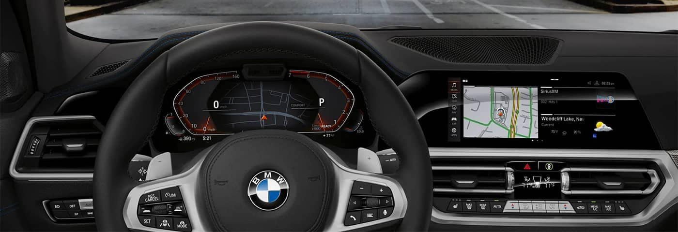

Dashboard Design Tips
- Keep it simple. And then simplify furthher
- Avoid Gaudy Colors and Extra Formatting
- Target a one page/screen dashboard
- Format numbers to increase readability
1st Step towards building a Dashboard
- Gather Requirement
- Overarching Message(s)
- know your Audience
- Get familiar with the data
- Must-have Vs. Good-to-have

Check Box
 | Q1 | Q2 | Q3 | Q4
2011 | 4.2% | 3.8% | 1.9% | 10.2%
2012 | 12.8% | 10.2% | 11.3% | 5.2%
2013 | 6.5% | 4.9% | 1.8% | 11.8%

Dynamic Chart
2011 | TRUE
2012 | TRUE

 | Q1 | Q2 | Q3 | Q4
2011 | 4.2% | 3.8% | 1.9% | 10.2%
2012 | 12.8% | 10.2% | 11.3% | 5.2%
2013 | 6.5% | 4.9% | 1.8% | 11.8%

Option Button
Dynamic Charts
 | Revenue | Net Income Margin | EBITDA Margin | Return on Asset
2009 | 2,132 | 2.0% | 5.4% | 1.8%
2010 | 2,143 | 2.1% | 3.0% | 0.5%
2011 | 2,345 | 2.3% | 4.0% | 0.5%
2012 | 2,547 | 7.0% | 8.5% | 0.2%
2013 | 2,765 | 10.0% | 5.0% | 0.4%
2014 | 3,012 | 6.0% | 7.3% | 0.2%
2015 | 3,243 | 5.0% | 5.4% | 0.3%

 | 1

 | Revenue | Net Income Margin
2009 | 2,132 | 2.0%
2010 | 2,143 | 2.1%
2011 | 2,345 | 2.3%
2012 | 2,547 | 7.0%
2013 | 2,765 | 10.0%
2014 | 3,012 | 6.0%
2015 | 3,243 | 5.0%

Combo Box
 |  | Revenue | Net Income Margin | EBITDA Margin | Return on Asset
 | 2009 | 2,132 | 2.0% | 5.4% | 1.8%
 | 2010 | 2,143 | 2.1% | 3.0% | 0.5%
 | 2011 | 2,345 | 2.3% | 4.0% | 0.5%
 | 2012 | 2,547 | 7.0% | 8.5% | 0.2%
 | 2013 | 2,765 | 10.0% | 5.0% | 0.4%
 | 2014 | 3,012 | 6.0% | 7.3% | 0.2%
 | 2015 | 3,243 | 5.0% | 5.4% | 0.3%

Net Income Margin |  |  |  | 1 | 1
EBITDA Margin
Return on Asset

 |  | Revenue | Net Income Margin
 | 2009 | 2,132 | 2.0%
 | 2010 | 2,143 | 2.1%
 | 2011 | 2,345 | 2.3%
 | 2012 | 2,547 | 7.0%
 | 2013 | 2,765 | 10.0%
 | 2014 | 3,012 | 6.0%
 | 2015 | 3,243 | 5.0%

